Sheet1
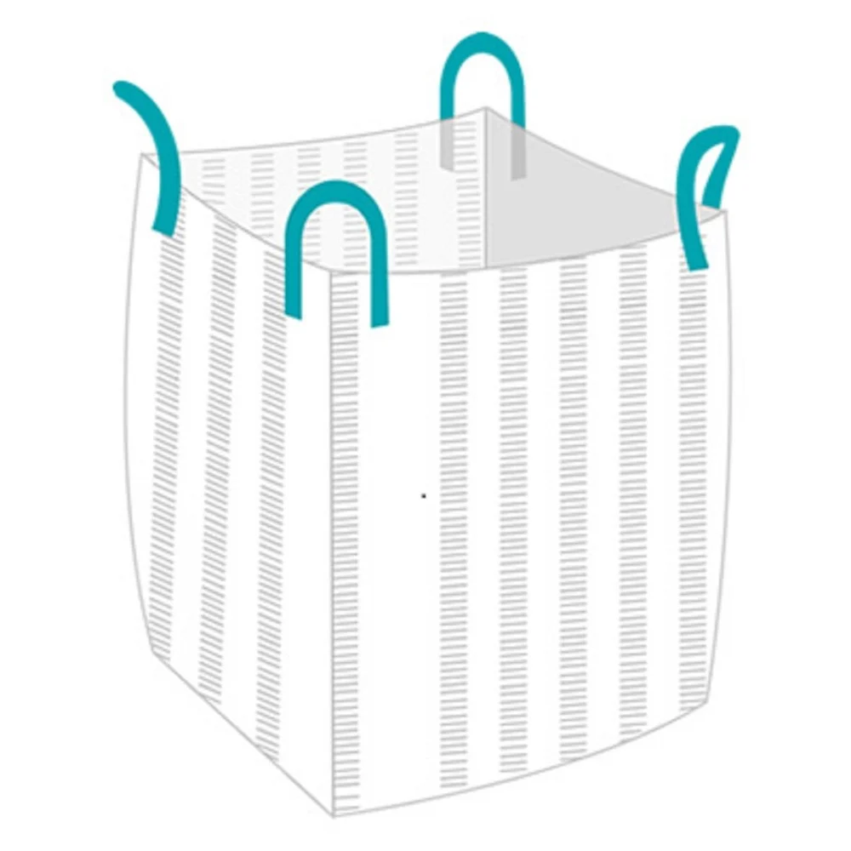
Ventilated Fibc Bag

Features : Various Features of FIBC Bags
They Are Made From A Special Polypropylene Fabric
Ventilated Fibc Bag Is A Specially Designed Fibc Bag With Air Vents Along The Woven Fabric On Its Body.
Uses : It's is mainly used in following industries. :
Specially Designed For Products That Require Airflow When Packed, Such As Fruits, Vegetables, Gingers, Potatoes And Onions.
Advantages : Following are the advantages.
The Most Important Advantage Of Using Ventilated Bag Is Its Feature Of Retaining The Moisture That Will Protect Your Product From Getting Mould And Hence Prevents Spoilage Of Items Stored.
Like Other Fibc Bags, Ventilated Bags Can Be Stacked Properly Suitable For Transportation As Well As For Storage Purpose

